GENERAL +RRP
Brand | Article |  | Name | Inner | Outer | PickFace | PickLow | BulkFace | BulkLow | OnSite | Total Units | RRP (£) | Total RRP | Image
PUBLIC SERV-CE | LONG SLEEVE TEE S | WHITE | MEN'S BIO-COMFORT LONG SLEEVE TEE WHITE | 0 | 0 | 8 | 0 | 0 | 0 | 8 | 8 | £210.00 | £1,680.00 | 100% ORG. COTTON 160GR - MADE IN PORTUGAL
PUBLIC SERV-CE | LONG SLEEVE TEE M |  | MEN'S BIO-COMFORT LONG SLEEVE TEE WHITE | 0 | 0 | 13 | 0 | 0 | 0 | 13 | 13 | £210.00 | £2,730.00
PUBLIC SERV-CE | LONG SLEEVE TEE L |  | MEN'S BIO-COMFORT LONG SLEEVE TEE WHITE | 0 | 0 | 14 | 0 | 0 | 0 | 14 | 14 | £210.00 | £2,940.00
PUBLIC SERV-CE | LONG SLEEVE TEE XL |  | MEN'S BIO-COMFORT LONG SLEEVE TEE WHITE | 0 | 0 | 4 | 0 | 0 | 0 | 4 | 4 | £210.00 | £840.00
PUBLIC SERV-CE | LONG SLEEVE TEE XXL |  | MEN'S BIO-COMFORT LONG SLEEVE TEE WHITE | 0 | 0 | 10 | 0 | 0 | 0 | 10 | 10 | £210.00 | £2,100.00
PUBLIC SERV-CE | LONG SLEEVE TEE S |  | WOMEN'S BIO-COMFORT LONG SLEEVE TEE WHITE | 0 | 0 | 8 | 0 | 0 | 0 | 8 | 8 | £210.00 | £1,680.00
PUBLIC SERV-CE | LONG SLEEVE TEE M |  | WOMEN'S BIO-COMFORT LONG SLEEVE TEE WHITE | 0 | 0 | 6 | 0 | 0 | 0 | 6 | 6 | £210.00 | £1,260.00
PUBLIC SERV-CE | LONG SLEEVE TEE L |  | WOMEN'S BIO-COMFORT LONG SLEEVE TEE WHITE | 0 | 0 | 4 | 0 | 0 | 0 | 4 | 4 | £210.00 | £840.00
PUBLIC SERV-CE | LONG SLEEVE TEE XL |  | WOMEN'S BIO-COMFORT LONG SLEEVE TEE WHITE | 0 | 0 | 7 | 0 | 0 | 0 | 7 | 7 | £210.00 | £1,470.00
PUBLIC SERV-CE | LONG SLEEVE TEE S | NAVY | MEN'S BIO-COMFORT LONG SLEEVE TEE NAVY | 0 | 0 | 6 | 0 | 0 | 0 | 6 | 6 | £210.00 | £1,260.00
PUBLIC SERV-CE | LONG SLEEVE TEE M |  | MEN'S BIO-COMFORT LONG SLEEVE TEE NAVY | 0 | 0 | 11 | 0 | 0 | 0 | 11 | 11 | £210.00 | £2,310.00
PUBLIC SERV-CE | LONG SLEEVE TEE L |  | MEN'S BIO-COMFORT LONG SLEEVE TEE NAVY | 0 | 0 | 17 | 0 | 0 | 0 | 17 | 17 | £210.00 | £3,570.00
PUBLIC SERV-CE | LONG SLEEVE TEE XL |  | MEN'S BIO-COMFORT LONG SLEEVE TEE NAVY | 0 | 0 | 16 | 0 | 0 | 0 | 16 | 16 | £210.00 | £3,360.00
PUBLIC SERV-CE | LONG SLEEVE TEE XLL |  | MEN'S BIO-COMFORT LONG SLEEVE TEE NAVY | 0 | 0 | 10 | 0 | 0 | 0 | 10 | 10 | £210.00 | £2,100.00
PUBLIC SERV-CE | LONG SLEEVE TEE S |  | WOMEN'S BIO-COMFORT LONG SLEEVE TEE NAVY | 0 | 0 | 7 | 0 | 0 | 0 | 7 | 7 | £210.00 | £1,470.00
PUBLIC SERV-CE | LONG SLEEVE TEE M |  | WOMEN'S BIO-COMFORT LONG SLEEVE TEE NAVY | 0 | 0 | 6 | 0 | 0 | 0 | 6 | 6 | £210.00 | £1,260.00
PUBLIC SERV-CE | LONG SLEEVE TEE L |  | WOMEN'S BIO-COMFORT LONG SLEEVE TEE NAVY | 0 | 0 | 8 | 0 | 0 | 0 | 8 | 8 | £210.00 | £1,680.00
PUBLIC SERV-CE | LONG SLEEVE TEE XL |  | WOMEN'S BIO-COMFORT LONG SLEEVE TEE NAVY | 0 | 0 | 9 | 0 | 0 | 0 | 9 | 9 | £210.00 | £1,890.00
 |  |  |  | TOTAL LONG SLEEVE T-SHIRT |  |  |  |  |  |  | 164
PUBLIC SERV-CE | TEE S | WHITE | MEN'S BIO-COMFORT TEE WHITE | 0 | 0 | 7 | 0 | 0 | 0 | 7 | 7 | £160.00 | £1,120.00 | 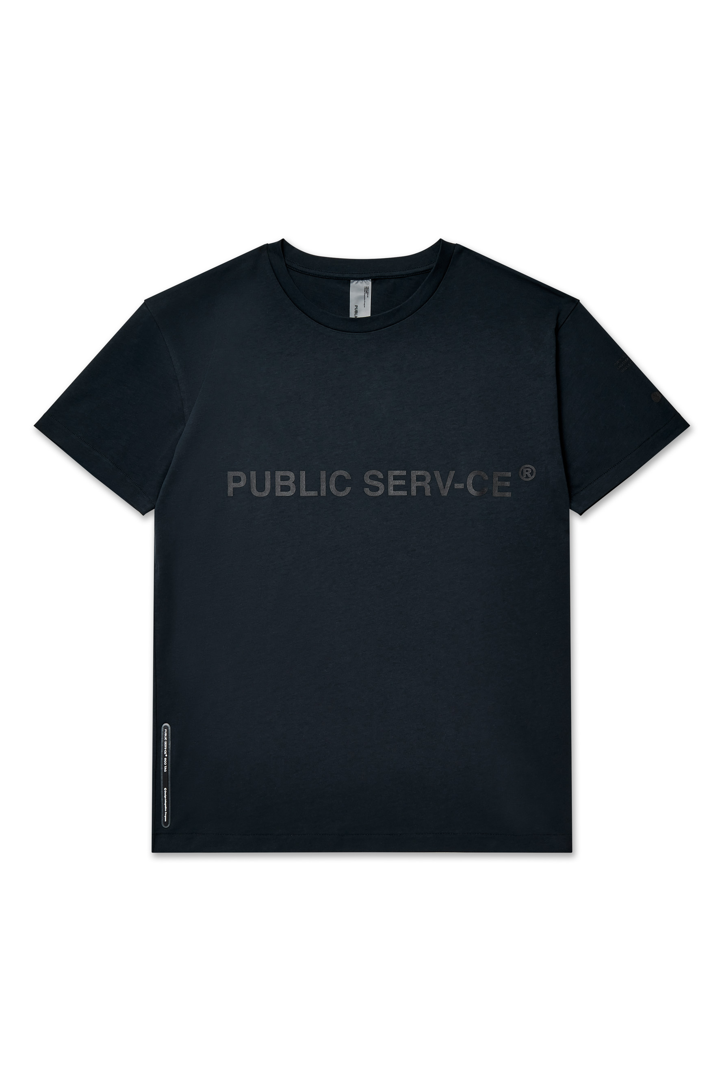 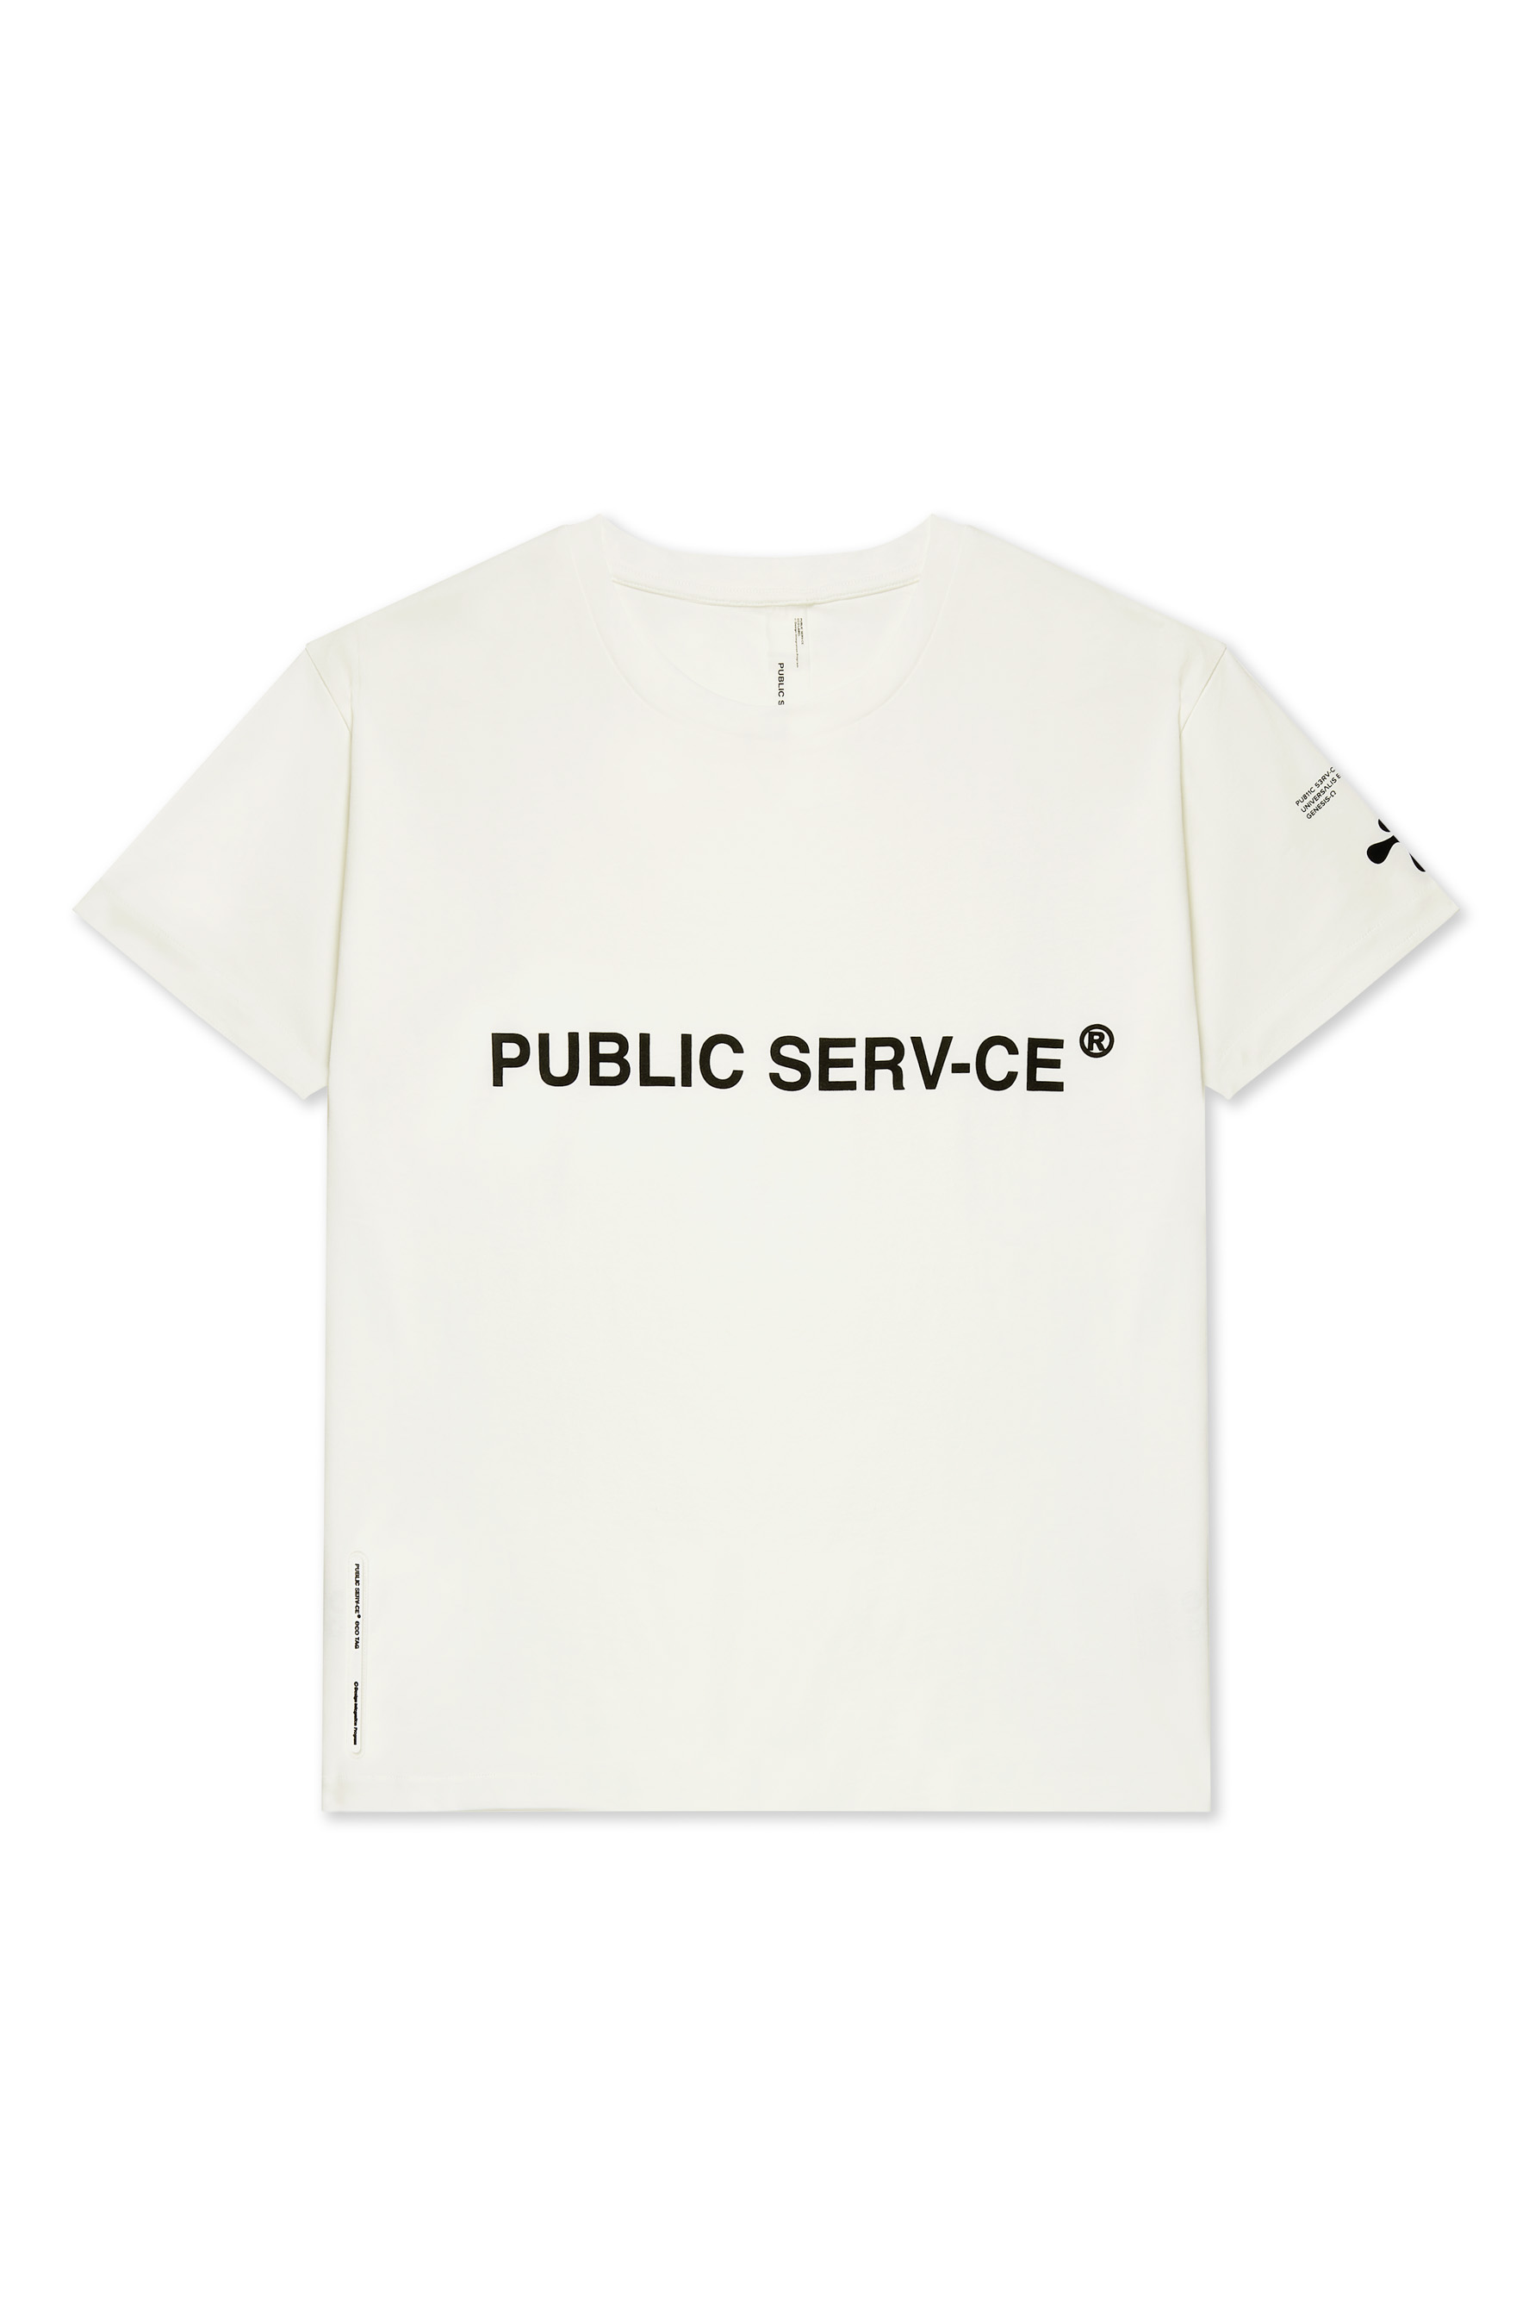 100% ORG. COTTON 160GR - MADE IN PORTUGAL
PUBLIC SERV-CE | TEE M |  | MEN'S BIO-COMFORT TEE WHITE | 0 | 0 | 15 | 0 | 0 | 0 | 15 | 15 | £160.00 | £2,400.00
PUBLIC SERV-CE | TEE L |  | MEN'S BIO-COMFORT TEE WHITE | 0 | 0 | 20 | 0 | 0 | 0 | 20 | 20 | £160.00 | £3,200.00
PUBLIC SERV-CE | TEE XL |  | MEN'S BIO-COMFORT TEE WHITE | 0 | 0 | 7 | 0 | 0 | 0 | 7 | 7 | £160.00 | £1,120.00
PUBLIC SERV-CE | TEE XXL |  | MEN'S BIO-COMFORT TEE WHITE | 0 | 0 | 7 | 0 | 0 | 0 | 7 | 7 | £160.00 | £1,120.00
PUBLIC SERV-CE | TEE M |  | WOMEN'S BIO-COMFORT TEE WHITE | 0 | 0 | 13 | 0 | 0 | 0 | 13 | 13 | £160.00 | £2,080.00
PUBLIC SERV-CE | TEE L |  | WOMEN'S BIO-COMFORT TEE WHITE | 0 | 0 | 21 | 0 | 0 | 0 | 21 | 21 | £160.00 | £3,360.00
PUBLIC SERV-CE | TEE XL |  | WOMEN'S BIO-COMFORT TEE WHITE | 0 | 0 | 15 | 0 | 0 | 0 | 15 | 15 | £160.00 | £2,400.00
PUBLIC SERV-CE | TEE S | WHITE | MEN'S BIO-COMFORT TEE NAVY | 0 | 0 | 8 | 0 | 0 | 0 | 8 | 8 | £160.00 | £1,280.00
PUBLIC SERV-CE | TEE M |  | MEN'S BIO-COMFORT TEE NAVY | 0 | 0 | 11 | 0 | 0 | 0 | 11 | 11 | £160.00 | £1,760.00
PUBLIC SERV-CE | TEE L |  | MEN'S BIO-COMFORT TEE NAVY | 0 | 0 | 27 | 0 | 0 | 0 | 27 | 27 | £160.00 | £4,320.00
PUBLIC SERV-CE | TEE XL |  | MEN'S BIO-COMFORT TEE NAVY | 0 | 0 | 14 | 0 | 0 | 0 | 14 | 14 | £160.00 | £2,240.00
PUBLIC SERV-CE | TEE XXL | NAVY | MEN'S BIO-COMFORT TEE NAVY | 0 | 0 | 10 | 0 | 0 | 0 | 10 | 10 | £160.00 | £1,600.00
PUBLIC SERV-CE | TEE S |  | WOMEN'S BIO-COMFORT TEE NAVY | 0 | 0 | 3 | 0 | 0 | 0 | 3 | 3 | £160.00 | £480.00
PUBLIC SERV-CE | TEE M |  | WOMEN'S BIO-COMFORT TEE NAVY | 0 | 0 | 12 | 0 | 0 | 0 | 12 | 12 | £160.00 | £1,920.00
PUBLIC SERV-CE | TEE L |  | WOMEN'S BIO-COMFORT TEE NAVY | 0 | 0 | 24 | 0 | 0 | 0 | 24 | 24 | £160.00 | £3,840.00
PUBLIC SERV-CE | TEE XL |  | WOMEN'S BIO-COMFORT TEE NAVY | 0 | 0 | 11 | 0 | 0 | 0 | 11 | 11 | £160.00 | £1,760.00
 |  |  |  | TOTAL T-SHIRT |  |  |  |  |  |  | 225
PUBLIC SERV-CE | HOODIE XS | BEIGE | BIO COMFORT HOODIE | 0 | 0 | 4 | 0 | 0 | 0 | 4 | 4 | £390.00 | £1,560.00 | 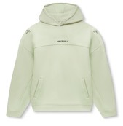 100% ORG. COTTON 380GR WITH BRUSHED LINING - MADE IN PORTUGAL
PUBLIC SERV-CE | HOODIE S |  | BIO COMFORT HOODIE | 0 | 0 | 2 | 0 | 0 | 0 | 2 | 2 | £390.00 | £780.00
PUBLIC SERV-CE | HOODIE M |  | BIO COMFORT HOODIE | 0 | 0 | 7 | 0 | 0 | 0 | 7 | 7 | £390.00 | £2,730.00
PUBLIC SERV-CE | HOODIE XS | SAGE GREEN | BIO COMFORT HOODIE | 0 | 0 | 4 | 0 | 0 | 0 | 4 | 4 | £390.00 | £1,560.00
PUBLIC SERV-CE | HOODIE S |  | BIO COMFORT HOODIE | 0 | 0 | 1 | 0 | 0 | 0 | 1 | 1 | £390.00 | £390.00
PUBLIC SERV-CE | HOODIE M |  | BIO COMFORT HOODIE | 0 | 0 | 17 | 0 | 0 | 0 | 17 | 17 | £390.00 | £6,630.00
PUBLIC SERV-CE | HOODIE XL |  | BIO COMFORT HOODIE | 0 | 0 | 5 | 0 | 0 | 0 | 5 | 5 | £390.00 | £1,950.00
PUBLIC SERV-CE | HOODIE XXL |  | BIO COMFORT HOODIE | 0 | 0 | 5 | 0 | 0 | 0 | 5 | 5 | £390.00 | £1,950.00
 |  |  |  | TOTAL HOODIE |  |  |  |  |  |  | 45
PUBLIC SERV-CE | JOGGERS XS | BEIGE | BIO COMFORR JOGGERS EVO 1 | 0 | 0 | 4 | 0 | 0 | 0 | 4 | 4 | £290.00 | £1,160.00 | 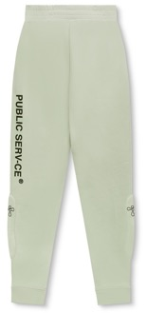 100% ORG. COTTON 380GR WITH BRUSHED LINING - MADE IN PORTUGAL
PUBLIC SERV-CE | JOGGERS S |  | BIO COMFORR JOGGERS EVO 1 | 0 | 0 | 1 | 0 | 0 | 0 | 1 | 1 | £290.00 | £290.00
PUBLIC SERV-CE | JOGGERS M |  | BIO COMFORR JOGGERS EVO 1 | 0 | 0 | 6 | 0 | 0 | 0 | 6 | 6 | £290.00 | £1,740.00
PUBLIC SERV-CE | JOGGERS L |  | BIO COMFORR JOGGERS EVO 1 | 0 | 0 | 11 | 0 | 0 | 0 | 11 | 11 | £290.00 | £3,190.00
PUBLIC SERV-CE | JOGGERS XL |  | BIO COMFORR JOGGERS EVO 1 | 0 | 0 | 7 | 0 | 0 | 0 | 7 | 7 | £290.00 | £2,030.00
PUBLIC SERV-CE | JOGGERS XXL |  | BIO COMFORR JOGGERS EVO 1 | 0 | 0 | 5 | 0 | 0 | 0 | 5 | 5 | £290.00 | £1,450.00
PUBLIC SERV-CE | JOGGERS XS | SAGE GREEN | BIO COMFORR JOGGERS EVO 1 | 0 | 0 | 4 | 0 | 0 | 0 | 4 | 4 | £290.00 | £1,160.00
PUBLIC SERV-CE | JOGGERS S |  | BIO COMFORR JOGGERS EVO 1 | 0 | 0 | 2 | 0 | 0 | 0 | 2 | 2 | £290.00 | £580.00
PUBLIC SERV-CE | JOGGERS M |  | BIO COMFORR JOGGERS EVO 1 | 0 | 0 | 5 | 0 | 0 | 0 | 5 | 5 | £290.00 | £1,450.00
PUBLIC SERV-CE | JOGGERS L |  | BIO COMFORR JOGGERS EVO 1 | 0 | 0 | 11 | 0 | 0 | 0 | 11 | 11 | £290.00 | £3,190.00
PUBLIC SERV-CE | JOGGERS XL |  | BIO COMFORR JOGGERS EVO 1 | 0 | 0 | 5 | 0 | 0 | 0 | 5 | 5 | £290.00 | £1,450.00
PUBLIC SERV-CE | JOGGERS XXL |  | BIO COMFORR JOGGERS EVO 1 | 0 | 0 | 5 | 0 | 0 | 0 | 5 | 5 | £290.00 | £1,450.00
PUBLIC SERV-CE | JOGGERS XS | BLACK | BIO COMFORR JOGGERS EVO 1 | 0 | 0 | 4 | 0 | 0 | 0 | 4 | 4 | £290.00 | £1,160.00
PUBLIC SERV-CE | JOGGERS S |  | BIO COMFORR JOGGERS EVO 1 | 0 | 0 | 2 | 0 | 0 | 0 | 2 | 2 | £290.00 | £580.00
PUBLIC SERV-CE | JOGGERS M |  | BIO COMFORR JOGGERS EVO 1 | 0 | 0 | 6 | 0 | 0 | 0 | 6 | 6 | £290.00 | £1,740.00
PUBLIC SERV-CE | JOGGERS L |  | BIO COMFORR JOGGERS EVO 1 | 0 | 0 | 9 | 0 | 0 | 0 | 9 | 9 | £290.00 | £2,610.00
PUBLIC SERV-CE | JOGGERS XL |  | BIO COMFORR JOGGERS EVO 1 | 0 | 0 | 7 | 0 | 0 | 0 | 7 | 7 | £290.00 | £2,030.00
PUBLIC SERV-CE | JOGGERS XXL |  | BIO COMFORR JOGGERS EVO 1 | 0 | 0 | 5 | 0 | 0 | 0 | 5 | 5 | £290.00 | £1,450.00
 |  |  |  | TOTAL JOGGERS |  |  |  |  |  |  | 99
PUBLIC SERV-CE | SWEATSHIRT XS | BEIGE | BIO COMFORT SWEATSHIRT EVO 1 | 0 | 0 | 4 | 0 | 0 | 0 | 4 | 4 | £340.00 | £1,360.00 | 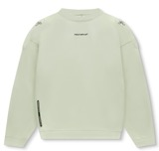 100% ORG. COTTON 380GR WITH BRUSHED LINING - MADE IN PORTUGAL
PUBLIC SERV-CE | SWEATSHIRT S |  | BIO COMFORT SWEATSHIRT EVO 1 | 0 | 0 | 6 | 0 | 0 | 0 | 6 | 6 | £340.00 | £2,040.00
PUBLIC SERV-CE | SWEATSHIRT M |  | BIO COMFORT SWEATSHIRT EVO 1 | 0 | 0 | 21 | 0 | 0 | 0 | 21 | 21 | £340.00 | £7,140.00
PUBLIC SERV-CE | SWEATSHIRT L |  | BIO COMFORT SWEATSHIRT EVO 1 | 0 | 0 | 1 | 0 | 0 | 0 | 1 | 1 | £340.00 | £340.00
PUBLIC SERV-CE | SWEATSHIRT XL |  | BIO COMFORT SWEATSHIRT EVO 1 | 0 | 0 | 9 | 0 | 0 | 0 | 9 | 9 | £340.00 | £3,060.00
PUBLIC SERV-CE | SWEATSHIRT XXL |  | BIO COMFORT SWEATSHIRT EVO 1 | 0 | 0 | 6 | 0 | 0 | 0 | 6 | 6 | £340.00 | £2,040.00
PUBLIC SERV-CE | SWEATSHIRT XS | SAGE GREEN | BIO COMFORT SWEATSHIRT EVO 1 | 0 | 0 | 4 | 0 | 0 | 0 | 4 | 4 | £340.00 | £1,360.00
PUBLIC SERV-CE | SWEATSHIRT S |  | BIO COMFORT SWEATSHIRT EVO 1 | 0 | 0 | 4 | 0 | 0 | 0 | 4 | 4 | £340.00 | £1,360.00
PUBLIC SERV-CE | SWEATSHIRT M |  | BIO COMFORT SWEATSHIRT EVO 1 | 0 | 0 | 7 | 0 | 0 | 0 | 7 | 7 | £340.00 | £2,380.00
PUBLIC SERV-CE | SWEATSHIRT L |  | BIO COMFORT SWEATSHIRT EVO 1 | 0 | 0 | 10 | 0 | 0 | 0 | 10 | 10 | £340.00 | £3,400.00
PUBLIC SERV-CE | SWEATSHIRT XL |  | BIO COMFORT SWEATSHIRT EVO 1 | 0 | 0 | 8 | 0 | 0 | 0 | 8 | 8 | £340.00 | £2,720.00
PUBLIC SERV-CE | SWEATSHIRT XXL |  | BIO COMFORT SWEATSHIRT EVO 1 | 0 | 0 | 5 | 0 | 0 | 0 | 5 | 5 | £340.00 | £1,700.00
PUBLIC SERV-CE | SWEATSHIRT XS | BLACK | BIO COMFORT SWEATSHIRT EVO 1 | 0 | 0 | 4 | 0 | 0 | 0 | 4 | 4 | £340.00 | £1,360.00
PUBLIC SERV-CE | SWEATSHIRT S |  | BIO COMFORT SWEATSHIRT EVO 1 | 0 | 0 | 4 | 0 | 0 | 0 | 4 | 4 | £340.00 | £1,360.00
PUBLIC SERV-CE | SWEATSHIRT M |  | BIO COMFORT SWEATSHIRT EVO 1 | 0 | 0 | 4 | 0 | 0 | 0 | 4 | 4 | £340.00 | £1,360.00
 |  |  |  | TOTALSWEATSHIRTS |  |  |  |  |  |  | 97
PUBLIC SERV-CE | SHORTS XS | BEIGE | BIO COMFORT SHORTS | 0 | 0 | 4 | 0 | 0 | 0 | 4 | 4 | £220.00 | £880.00 | 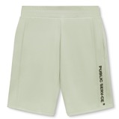 100% ORG. COTTON 380GR - MADE IN PORTUGAL WITH BRUSHED LINING
PUBLIC SERV-CE | SHORTS S |  | BIO COMFORT SHORTS | 0 | 0 | 4 | 0 | 0 | 0 | 4 | 4 | £220.00 | £880.00
PUBLIC SERV-CE | SHORTS M |  | BIO COMFORT SHORTS | 0 | 0 | 7 | 0 | 0 | 0 | 7 | 7 | £220.00 | £1,540.00
PUBLIC SERV-CE | SHORTS L |  | BIO COMFORT SHORTS | 0 | 0 | 13 | 0 | 0 | 0 | 13 | 13 | £220.00 | £2,860.00
PUBLIC SERV-CE | SHORTS XL |  | BIO COMFORT SHORTS | 0 | 0 | 9 | 0 | 0 | 0 | 9 | 9 | £220.00 | £1,980.00
PUBLIC SERV-CE | SHORTS XXL |  | BIO COMFORT SHORTS | 0 | 0 | 6 | 0 | 0 | 0 | 6 | 6 | £220.00 | £1,320.00
PUBLIC SERV-CE | SHORTS XS | SAGE GREEN | BIO COMFORT SHORTS | 0 | 0 | 4 | 0 | 0 | 0 | 4 | 4 | £220.00 | £880.00
PUBLIC SERV-CE | SHORTS S |  | BIO COMFORT SHORTS | 0 | 0 | 2 | 0 | 0 | 0 | 2 | 2 | £220.00 | £440.00
PUBLIC SERV-CE | SHORTS M |  | BIO COMFORT SHORTS | 0 | 0 | 5 | 0 | 0 | 0 | 5 | 5 | £220.00 | £1,100.00
PUBLIC SERV-CE | SHORTS L |  | BIO COMFORT SHORTS | 0 | 0 | 12 | 0 | 0 | 0 | 12 | 12 | £220.00 | £2,640.00
PUBLIC SERV-CE | SHORTS XL |  | BIO COMFORT SHORTS | 0 | 0 | 7 | 0 | 0 | 0 | 7 | 7 | £220.00 | £1,540.00
PUBLIC SERV-CE | SHORTS XXL |  | BIO COMFORT SHORTS | 0 | 0 | 5 | 0 | 0 | 0 | 5 | 5 | £220.00 | £1,100.00
PUBLIC SERV-CE | SHORTS XS | BLACK | BIO COMFORT SHORTS | 0 | 0 | 4 | 0 | 0 | 0 | 4 | 4 | £220.00 | £880.00
PUBLIC SERV-CE | SHORTS S |  | BIO COMFORT SHORTS | 0 | 0 | 2 | 0 | 0 | 0 | 2 | 2 | £220.00 | £440.00
PUBLIC SERV-CE | SHORTS M |  | BIO COMFORT SHORTS | 0 | 0 | 6 | 0 | 0 | 0 | 6 | 6 | £220.00 | £1,320.00
PUBLIC SERV-CE | SHORTS L |  | BIO COMFORT SHORTS | 0 | 0 | 9 | 0 | 0 | 0 | 9 | 9 | £220.00 | £1,980.00
PUBLIC SERV-CE | SHORTS XL |  | BIO COMFORT SHORTS | 0 | 0 | 5 | 0 | 0 | 0 | 5 | 5 | £220.00 | £1,100.00
PUBLIC SERV-CE | SHORTS XXL |  | BIO COMFORT SHORTS | 0 | 0 | 4 | 0 | 0 | 0 | 4 | 4 | £220.00 | £880.00
 |  |  |  | TOTAL LONG SHORTS |  |  |  |  |  |  | 108
PUBLIC SERV-CE | WAIST BIKER SHORT XS | WHITE | SEAMLESS BIO-COMFORT HIGH WAIST BIKER SHORT | 0 | 0 | 11 | 0 | 0 | 0 | 11 | 11 | £110.00 | £1,210.00 | 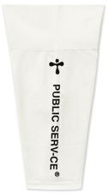 92% REC POLYAMIDE- 8%EA - MADE IN PORTUGAL
PUBLIC SERV-CE | WAIST BIKER SHORT S |  | SEAMLESS BIO-COMFORT HIGH WAIST BIKER SHORT | 0 | 0 | 26 | 0 | 0 | 0 | 26 | 26 | £110.00 | £2,860.00
PUBLIC SERV-CE | WAIST BIKER SHORT M |  | SEAMLESS BIO-COMFORT HIGH WAIST BIKER SHORT | 0 | 0 | 54 | 0 | 0 | 0 | 54 | 54 | £110.00 | £5,940.00
PUBLIC SERV-CE | WAIST BIKER SHORT L |  | SEAMLESS BIO-COMFORT HIGH WAIST BIKER SHORT | 0 | 0 | 42 | 0 | 0 | 0 | 42 | 42 | £110.00 | £4,620.00
PUBLIC SERV-CE | WAIST BIKER SHORT XL |  | SEAMLESS BIO-COMFORT HIGH WAIST BIKER SHORT | 0 | 0 | 33 | 0 | 0 | 0 | 33 | 33 | £110.00 | £3,630.00
PUBLIC SERV-CE | WAIST BIKER SHORT XS | NAVY | SEAMLESS BIO-COMFORT HIGH WAIST BIKER SHORT | 0 | 0 | 15 | 0 | 0 | 0 | 15 | 15 | £110.00 | £1,650.00
PUBLIC SERV-CE | WAIST BIKER SHORT S |  | SEAMLESS BIO-COMFORT HIGH WAIST BIKER SHORT | 0 | 0 | 30 | 0 | 0 | 0 | 30 | 30 | £110.00 | £3,300.00
PUBLIC SERV-CE | WAIST BIKER SHORT M |  | SEAMLESS BIO-COMFORT HIGH WAIST BIKER SHORT | 0 | 0 | 51 | 0 | 0 | 0 | 51 | 51 | £110.00 | £5,610.00
PUBLIC SERV-CE | WAIST BIKER SHORT L |  | SEAMLESS BIO-COMFORT HIGH WAIST BIKER SHORT | 0 | 0 | 36 | 0 | 0 | 0 | 36 | 36 | £110.00 | £3,960.00
PUBLIC SERV-CE | WAIST BIKER SHORT XL |  | SEAMLESS BIO-COMFORT HIGH WAIST BIKER SHORT | 0 | 0 | 32 | 0 | 0 | 0 | 32 | 32 | £110.00 | £3,520.00
 |  |  |  | TOTAL BIKER SHORTS |  |  |  |  |  |  | 330
PUBLIC SERV-CE | WAIST LEGGING XS | WHITE | SEAMLESS BIO-COMFORT HIGH WAIST LEGGING | 0 | 0 | 13 | 0 | 0 | 0 | 13 | 13 | £160.00 | £2,080.00 | 92% REC POLYAMIDE- 8%EA - MADE IN PORTUGAL
PUBLIC SERV-CE | WAIST LEGGING S |  | SEAMLESS BIO-COMFORT HIGH WAIST LEGGING | 0 | 0 | 31 | 0 | 0 | 0 | 31 | 31 | £160.00 | £4,960.00
PUBLIC SERV-CE | WAIST LEGGING M |  | SEAMLESS BIO-COMFORT HIGH WAIST LEGGING | 0 | 0 | 57 | 0 | 0 | 0 | 57 | 57 | £160.00 | £9,120.00
PUBLIC SERV-CE | WAIST LEGGING L |  | SEAMLESS BIO-COMFORT HIGH WAIST LEGGING | 0 | 0 | 40 | 0 | 0 | 0 | 40 | 40 | £160.00 | £6,400.00
PUBLIC SERV-CE | WAIST LEGGING XL |  | SEAMLESS BIO-COMFORT HIGH WAIST LEGGING | 0 | 0 | 28 | 0 | 0 | 0 | 28 | 28 | £160.00 | £4,480.00
PUBLIC SERV-CE | WAIST LEGGING XS | NAVY | SEAMLESS BIO-COMFORT HIGH WAIST LEGGING | 0 | 0 | 10 | 0 | 0 | 0 | 10 | 10 | £160.00 | £1,600.00
PUBLIC SERV-CE | WAIST LEGGING S |  | SEAMLESS BIO-COMFORT HIGH WAIST LEGGING | 0 | 0 | 21 | 0 | 0 | 0 | 21 | 21 | £160.00 | £3,360.00
PUBLIC SERV-CE | WAIST LEGGING M |  | SEAMLESS BIO-COMFORT HIGH WAIST LEGGING | 0 | 0 | 41 | 0 | 0 | 0 | 41 | 41 | £160.00 | £6,560.00
PUBLIC SERV-CE | WAIST LEGGING L |  | SEAMLESS BIO-COMFORT HIGH WAIST LEGGING | 0 | 0 | 33 | 0 | 0 | 0 | 33 | 33 | £160.00 | £5,280.00
PUBLIC SERV-CE | WAIST LEGGING XL |  | SEAMLESS BIO-COMFORT HIGH WAIST LEGGING | 0 | 0 | 27 | 0 | 0 | 0 | 27 | 27 | £160.00 | £4,320.00
 |  |  |  | TOTAL LEGGINGS |  |  |  |  |  |  | 301
PUBLIC SERV-CE | BRA XS | WHITE | SEAMLESS BIO-COMFORT BRA | 0 | 0 | 12 | 0 | 0 | 0 | 12 | 12 | £80.00 | £960.00 | 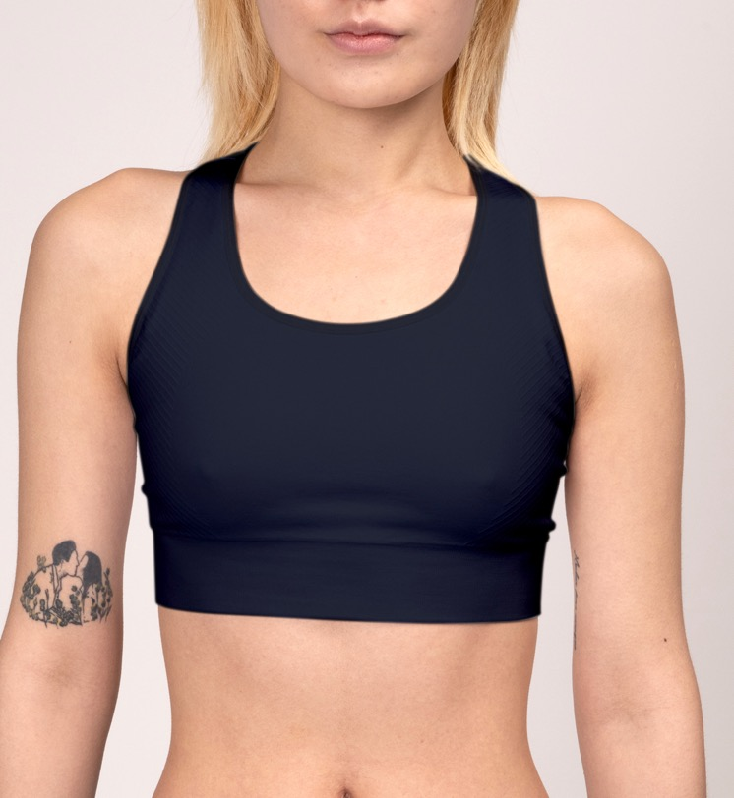 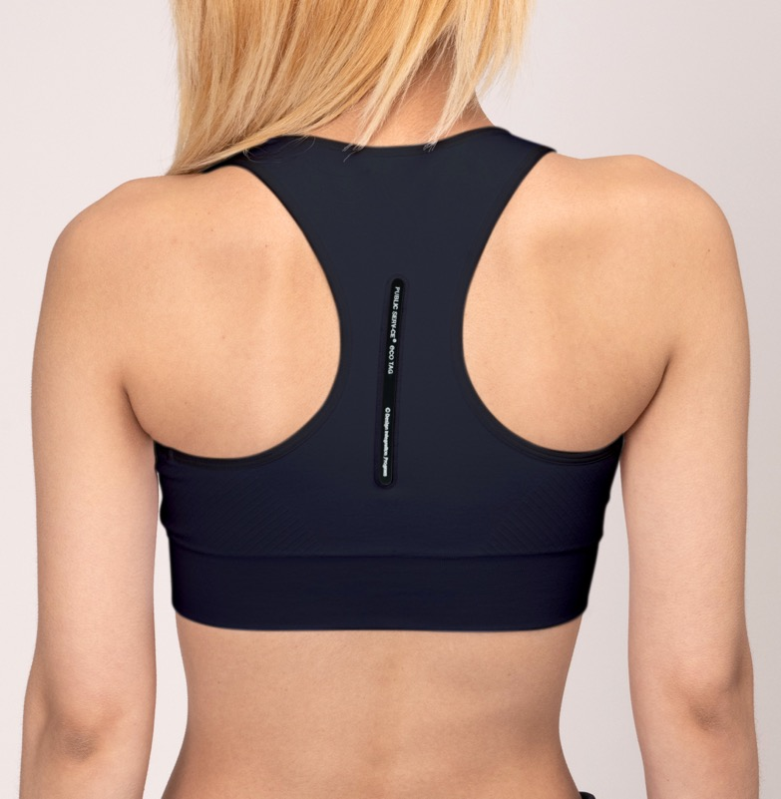 92% REC POLYAMIDE- 8%EA - MADE IN PORTUGAL
PUBLIC SERV-CE | BRA S |  | SEAMLESS BIO-COMFORT BRA | 0 | 0 | 9 | 0 | 0 | 0 | 9 | 9 | £80.00 | £720.00
PUBLIC SERV-CE | BRA M |  | SEAMLESS BIO-COMFORT BRA | 0 | 0 | 29 | 0 | 0 | 0 | 29 | 29 | £80.00 | £2,320.00
PUBLIC SERV-CE | BRA L |  | SEAMLESS BIO-COMFORT BRA | 0 | 0 | 29 | 0 | 0 | 0 | 29 | 29 | £80.00 | £2,320.00
PUBLIC SERV-CE | BRA XL |  | SEAMLESS BIO-COMFORT BRA | 0 | 0 | 22 | 0 | 0 | 0 | 22 | 22 | £80.00 | £1,760.00
PUBLIC SERV-CE | BRA XS | NAVY | SEAMLESS BIO-COMFORT BRA | 0 | 0 | 11 | 0 | 0 | 0 | 11 | 11 | £80.00 | £880.00
PUBLIC SERV-CE | BRA S |  | SEAMLESS BIO-COMFORT BRA | 0 | 0 | 23 | 0 | 0 | 0 | 23 | 23 | £80.00 | £1,840.00
PUBLIC SERV-CE | BRA M |  | SEAMLESS BIO-COMFORT BRA | 0 | 0 | 25 | 0 | 0 | 0 | 25 | 25 | £80.00 | £2,000.00
PUBLIC SERV-CE | BRA L |  | SEAMLESS BIO-COMFORT BRA | 0 | 0 | 34 | 0 | 0 | 0 | 34 | 34 | £80.00 | £2,720.00
PUBLIC SERV-CE | BRA XL |  | SEAMLESS BIO-COMFORT BRA | 0 | 0 | 22 | 0 | 0 | 0 | 22 | 22 | £80.00 | £1,760.00
 |  |  |  | TOTAL SPORTS BRA |  |  |  |  |  |  | 517
PUBLIC SERV-CE | CAP | WHITE | INFINITY VIDOR CAP COSMOS BLUE | 0 | 0 | 103 | 0 | 0 | 0 | 103 | 103 | £105.00 | £10,815.00 | 100% REC NYLON. - KADE IN CHINA
PUBLIC SERV-CE | CAP | BLACK | INFINITY VIDOR CAP BLACK | 0 | 0 | 1 | 0 | 0 | 0 | 1 | 1 | £105.00 | £105.00
PUBLIC SERV-CE | CAP | NAVY | INFINITY VIDOR CAP OPTIC WHITE | 0 | 0 | 104 | 0 | 0 | 0 | 104 | 104 | £105.00 | £10,920.00
 |  |  |  | TOTAL CAPS |  |  |  |  |  |  | 208
 |  |  |  | GRAND TOTAL |  |  |  |  |  |  | 2094

